Sheet1
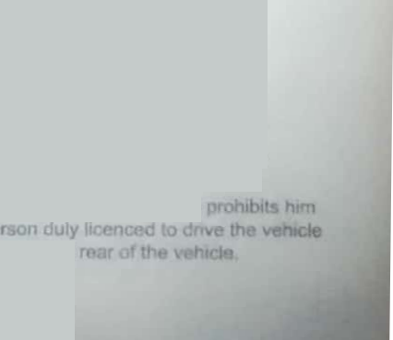

FORM 3
(See Rule 3(a) and 13J
LEARNER'S LICENCE
Fee Details Rs.200.0/- /CO/1393655 /22-05-2018
ApplNe 481044717
0

Holder's Signature
1. Licence No. KA50 /0011201/2018
2 Name SUBASH KRISHNAPPA
3, Father's Name KRISHNAPPA
4. Date of Birth 24-02-1986
5 Optional/Blood Group- Unknown
RH Factor
6. Present Address
7 Permanent
24 ST JOHNS SCHOOL ROAD
AMRUTHAHALLI Bangalore
North. Bangalore.KA,560092
24 ST JOHNS SCHOOL ROAD
AMRUTHAHALLI Bangalore
North Bangalore.KA.560092
8, Dschool Name
9.Enroll No
10.Enroll Dt
Marks of Identification
(2)
is Itcenced to drive throughout India as a learner subject to the provisions of rule 3 of the Central
Motor Vehicles Rules 1989, a motor vehicle of the following description
Motor cycle without Gear (Non Transport),
The holder of the licence has passed the preliminary test referred to in rule 11(1) of the CMV
Rules ,1989.
The holder of the licence is exempted from the medical test under rule 6 and from the
Preliminary test under rule11(2)of the Central Motor Vehicle Rules,1989
'Strike off which ever is inapplicable
This Licence is valid 06/06/2018 To 05/12/2018
Licensing Aulhogity
Waning. RTC? LMIANKA
The attention of the holder of this licence is drawn to ruin 3 of CMV Rules, 1989 which
from drying any motor vehicle unless he has besides him a pa
and in every case , the vehicle carries 'I' plates both in front and In the
NOT[ rtis is computer generated downs/9M It doom at ,ectuife any

